Workshop 1
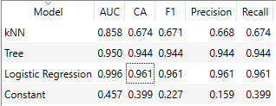
No | Model | Accuracy | F1
1 | Random Guess (Constant) | 39.90% | 22.70%
2 | Tree | 94.40% | 94.40%
3 | Logistic Regression | 96.10% | 96.10%
4 | kNN | 67.40% | 67.10%

Workshop 2
 |  | Train |  | Test |  | Cross validation
No | Model | Accuracy | F1 | Accuracy | F1 | Accuracy | F1
1 | Random Guess (Constant) | 41.60% | 24.40% | 35.80% | 18.90% | 44.40% | 27.40%
2 | kNN | 80.00% | 79.70% | 62.30% | 61.40% | 66.70% | 66.70%
3 | Tree | 97.60% | 97.60% | 84.90% | 85.00% | 94% | 94%
4 | Logistic Regression | 99.20% | 99.20% | 98.10% | 98.10% | 100% | 100%
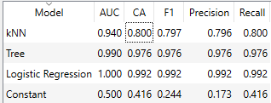
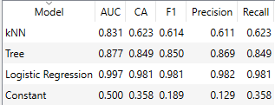
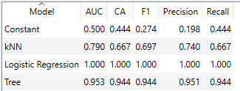

 | Question | Answer
1 | Do you see any change? | Training data trains the model, while testing determines whether or not the model was built correctly. However, some users can still use their training data to make predictions.
2 | Do the models perform differently? | The classification algorithm is the same. But each model has advantages and disadvantages, each of which depends on the choice, such as problem identification, size of the dataset, prediction accuracy, training time, linearity of the dataset, and number of features.
3 | Any particular reason you can think of? | It depends on the choices made, such as problem identification, size of the dataset, prediction accuracy, training time, linearity of the dataset, and number of features.

